test case format
 | Project Name: | Acces Control | Test Designed by: | L.SZ
 | Module Name: | Access Control Password | Test Designed date: | 06.13.2022
 | Release Version: | V 1.0 | Test Executed by: | L.SZ
 |  |  | Test Execution date: | 06.13.2022

Pre-condition
Dependencies:
Test Priority

Test Case ID | Test case name | Test case description | Test case Steps | Expected Result | Post-condition | Actual Result | Test case Status | Test case comment and incident report id | Requirement ID
1 | LCD_Start_Message | To enter into the system, on the display has to be showed the "Enter Password" text | 1. Click on the "Start Simulation" Button | "Enter Password" text should be displayed | go back to default state | Accepted | in review |  | 1
2.1 | Password_length | Check if the system allows you to enter less then 4 digit password | 1. Enter the following number: "125" | The length of the password is 4 digit. The system dosent allow to enter bigger or smaller digit values | go back to default state | Accepted | in review | 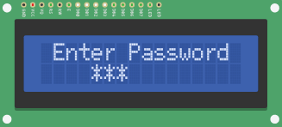 The display its still showing after 5 minutes the 3 encrypted values waiting for the 4th digit to give access into the software or reject the access because of incorrect password Incident_Report_BUG ID_1 | 2
2.2 | Password_length | Check if the system allows you to enter more then 4 digit (incorrect) password | 1. Enter the following number: "12561" | The length of the password is 4 digit. The system dosent allow to enter bigger or smaller digit values. In this case should displayed "Incorrect Password!" | go back to default state | Accepted | in review | 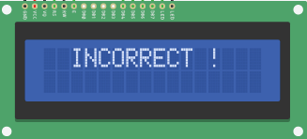 In the requierement document, when the user insert one incorrect password the text has to be "Incorrect Password!" In this test case its showing: "Incorrect !" (See picture attached) and incident report Incident_Report_BUG ID_1 | 2
3 | Correct_Password_Length | Check if the system accept the correct password | 1. Enter the correct password: 1234 | When the correct password its entered the display has to show: "WELCOME BACK MASTER!" | go back to default state | Accepted | in review | The login was successfully | 3
4.1 | Incorrect_Password_1 | Try at least 5 times to enter the wrong password | 1. Enter incorrect password: 6522 | The system has to reject the login because the incorrect password with the "Incorrect Password!" text | go back to default state | Accepted | in review | In the requierement document, when the user insert one incorrect password the text has to be "Incorrect Password!" In this test case its showing: "Incorrect !" (See picture attached) Also check the Incident_Report_BUG ID_1 | 4
4.2 | Incorrect_Password_2 | Try at least 5 times to enter the wrong password | 1. Enter incorrect password: 7523 | The system has to reject the login because the incorrect password with the "Incorrect Password!" text | go back to default state |  | in review |  | 4
4.3 | Incorrect_Password_3 | Try at least 5 times to enter the wrong password | 1. Enter incorrect password: 1596 | The system has to reject the login because the incorrect password with the "Incorrect Password!" text | go back to default state |  | in review |  | 4
4.4 | Incorrect_Password_4 | Try at least 5 times to enter the wrong password | 1. Enter incorrect password: 3547 | The system has to reject the login because the incorrect password with the "Incorrect Password!" text | go back to default state |  | in review |  | 4
4.5 | Incorrect_Password_5 | Try at least 5 times to enter the wrong password | 1. Enter incorrect password: 8563 | The system has to reject the login because the incorrect password with the "Incorrect Password!" text | go back to default state |  | in review |  | 4
4.6 | Correct_Password_1 | Try at least 5 times to enter the correct password | 1. Enter the correct password: 1234 | If the user insert the correct password the display has to unlock | go back to default state | Accepted | in review |  | 4
4.7 | Correct_Password_2 | Try at least 5 times to enter the correct password | 1. Enter the correct password: 1234 | If the user insert the correct password the display has to unlock | go back to default state |  | in review |  | 4
4.8 | Correct_Password_3 | Try at least 5 times to enter the correct password | 1. Enter the correct password: 1234 | If the user insert the correct password the display has to unlock | go back to default state |  | in review |  | 4
4.9 | Correct_Password_4 | Try at least 5 times to enter the correct password | 1. Enter the correct password: 1234 | If the user insert the correct password the display has to unlock | go back to default state |  | in review |  | 4
4.10 | Correct_Password_5 | Try at least 5 times to enter the correct password | 1. Enter the correct password: 1234 | If the user insert the correct password the display has to unlock | go back to default state |  | in review |  | 4
5 | LED_State_After_Login | With succesfull log in the LED should be turn on | 1. Press the "Start Simulation" button 2. Enter the correct password | The LED has to turn on | go back to default state | FAILED | in review | 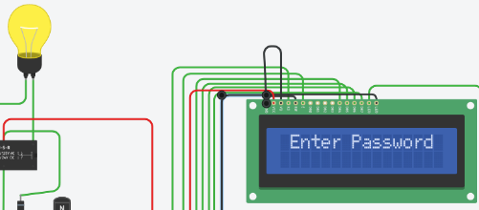 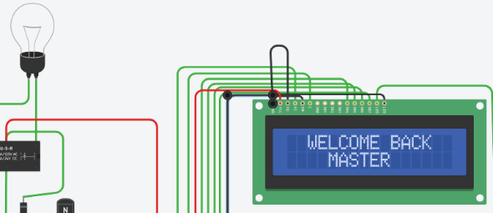 The LED Turned OFF In the requierement document, the LED has to be turned off until the user log in successfully. The LED its turned ON all the time and after successful log in it turnes OFF Incident_Report_BUG ID_2 | 5
6 | LED_State_Before_Login | The LED before succesful log in has to be turned OFF | 1. Press the "Start Simulation" button | The LED has to turned OFF | go back to default state | FAILED | in review | The LED its turned ON Incident_Report_BUG ID_3 | 6
7 | Log_in_text | After login the display has to show "WELCOME BACK MASTER!" | 1. Press the "Start Simulation" button 2. Enter the correct password: 1234 | "WELCOME BACK MASTER!" text has to showed | go back to default state | FAILED | in review | 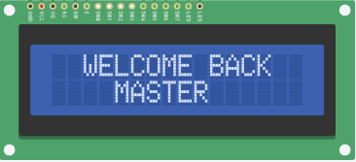 The exclamaition mark its missing from the end of the text | 7
8 | Delay_check_after_login | After login "WELCOME BACK MASTER!" text has to dissapear in 3000ms | 1. Inspect the code 2.Search for the specific code | delay(3000); mode = 3; | go back to default state | FAILED | in review | if(data_count == Password_Lenght-1) { if(mode == 0){ lcd.clear(); if(!strcmp(Data, Master)) { lcd.setCursor(2, 0); lcd.print("WELCOME BACK"); lcd.setCursor(4, 1); lcd.print("MASTER"); just_allowed_pass = 1; time_old = millis(); digitalWrite(13, LOW); delay(2000); mode = 3; Incident_Report_BUG ID_4 | 8
9 | (mode == 3) _check | Check in the code that the (mode == 3) stand for the "UNLOCKED!" text | 1. Inspect the code 2.Search for (mode == 3) | else if(mode == 3){ lcd.setCursor(4,0); lcd.print("UNLOCKED"); | go back to default state | Accepted | in review |  | 9
10 | Reset button function_before_log_in | If you press the reset button the system has to go back into the default state | 1. Press the "Start Simulation" button 2. Enter 3 random number 3. Press the reset button | The display has to clear the introduced numbers and only the "Enter Password" text has to be showed | go back to default state | Accepted | in review |  | 10
11 | Reset button function_after_log_in | If you press the reset button the system has to go back into the default state | 1. Press the "Start Simulation" button 2. Enter the correct password 3. Press the reset button | The display has to clear the introduced numbers and only the "Enter Password" text has to be showed | go back to default state | Accepted | in review |  | 11
12 | Password_visibilty | When the password its entered the numbers has to be encrypted | 1. Inspect the code 2. Search for lcd.print("*") | lcd.print("*"); | go back to default state | Accepted | in review |  | 12

